1.Cross Validation (Tech of CV)
 |  | ⌗CROSS VALIDATION |  |  |  | REFERENCE

 |  | ▣DEFINITION OF VARIOUS TERMINOLOGY |  |  |  | ⇰REFERENCE (Website)-->Scikit Learn Regarding Conceptual & Practical Implementation Regarding Cross Validation (Evaluating Estimator Performance) |  |  | ⇰REFERENCE (Website)-->Stackoverflow Regarding Overall difference between (cross_val_score) & Kfold as well as Stratified K fold Cross Validation

 |  | ⇰What is Validation ? ❶The process of determining whether the mathematical results calculating relationships between variables (X1, X2) Features & Output (y) are acceptable as descriptions of the data is known as Validation. Usually, an error estimation for the model is made after training the model on the train data set, better known as the evaluation of residuals.

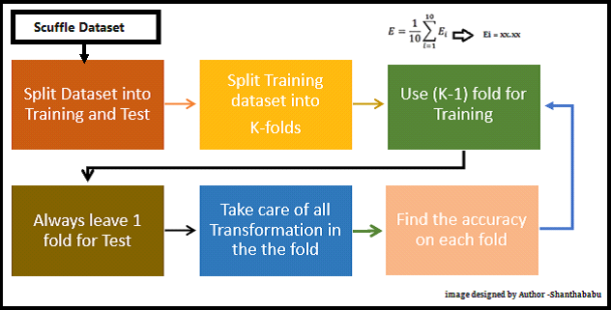
 |  | ⇰What is Cross Validation? ❶According to Udemy Cross Validation, we measure the Training Error by calculating the difference between predicted response & original response But this metric cannot be trusted because it works well only with the training data.It’s possible that the model is Underfitting or Overfitting the data. ❷According to Amazon Web Services Cross-validation is a technique for evaluating ML models by training several ML models on subsets of the available input data & evaluating them on the complementary subset of the data. Use cross-validation to detect overfitting, ie, failing to generalize a pattern. |  |  |  | ⇰REFERENCE (Website)-->upGrad Regarding Conceptual & Practical Understanding of Cross Validation & Various CV Techniques Implementation in Machine Learning |  |  | ⇰REFERENCE (You Tube)-->Krishna Naik Regarding Conceptual Understanding of Cross Validation & Types of Cross Validation

 |  |  |  |  |  |  |  |  | ⇰REFERENCE (You Tube)-->5 Minutes Engineering Regarding Conceptual Implementation Regarding 5 Fold Cross Validation

 |  |  |  |  |  | ⇰REFERENCE (Website)-->Amazon Web Services Regarding Conceptual Understanding of Cross Validation & Various Techniques of CV

 |  |  |  |  |  |  |  |  | ⇰REFERENCE (Website)-->Geeks for Geeks regarding Conceptual Understanding of Cross Validation & Various Techniques for Cross Validation (CV)
 |  | ❸According to Geeks for Geeks Cross validation is a technique used in machine learning to evaluate the performance of a model on unseen data. It involves dividing the available data into multiple folds or subsets, using one of these folds as a validation set & training the model on the remaining folds.This process is repeated multiple times, each time using a different fold as the validation set.Finally, the results from each validation step are averaged to produce a more robust estimate of the model’s performance.The main purpose of cross validation is to prevent overfitting, which occurs when a model is trained too well on the training data & performs poorly on new, unseen data.By evaluating the model on multiple validation sets, cross validation provides a more realistic estimate of the model’s generalization performance, i.e., its ability to perform well on new, unseen data.

 |  |  |  |  |  | ⇰REFERENCE (Website)-->JavaTPoint Regarding Conceptual Understanding of Cross Validation & It's Usage in ML (Machine Learning)

 |  | ❹According to Analytics Vidhya Cross-Validation is a resampling technique with the fundamental idea of splitting the dataset into 2 parts- training data & test data. Train data is used to train the model & the unseen test data is used for prediction.If the model performs well over the test data & gives good accuracy, it means the model hasn’t overfitted the training data & can be used for prediction. |  |  |  |  | ⇰REFERENCE (Website)-->Analytics Vidhya Regarding Conceptual Understanding of Cross Validation & Various Types of Cross Validation (CV) |  |  | ⇰REFERENCE (Websites)-->Turing Regarding Conceptual Understanding of Various Techniques of Cross Validation

 |  | ▣What is the difference between Different Cross-Validation Techniques VS Grid Search CV Or Other Techniques in Line of Grid Search CV?

 |  | ◅VARIOUS CROSS VALIDATION | ◅GRID SEARCH CV
 |  | ⇰According to Stack Overflow Cross-validation is when you reserve part of your data to use in evaluating your model. There are different cross-validation methods.The simplest conceptually is to just take 70% (just making up a number here, it doesn't have to be 70%) of your data & use that for training, & then use the remaining 30% of the data to evaluate the model's performance. The reason you need different data for training & evaluating the model is to protect against overfitting. There are other (slightly more involved) cross-validation techniques, of course, like k-fold cross-validation,Stratified K Fold Cross Validation, LOOCV, Hold Out Test Methods,Monte Carlo (Shuffle Split), (Time Series Cross Validation) which often used in practice. | ⇰Grid search CV is a method to perform hyper-parameter optimisation, that is, it is a method to find the best combination of hyper-parameters (an example of an hyper-parameter is the learning rate of the optimiser), for a given model (e.g. a CNN) & test dataset. In this scenario, you have several models, each with a different combination of hyper-parameters. Each of these combinations of parameters, which correspond to a single model, can be said to lie on a point of a "grid". The goal is then to train each of these models & evaluate them e.g. using cross-validation. You then select the one that performed best. |  |  | ⇰REFERENCE (Website)-->Stackoverflow Regarding Conceptual Understanding of Diff Cross Validation Techniques Vs Grid Search CV |  |  | ⇰REFERENCE (Website)-->Scikitlearn Regarding Conceptual Understanding of Diff Techniques of Cross Validation

 |  |  |  |  |  | ⇰REFERENCE (Website)-->StackExchange Regarding Conceptual Understanding of Diff Cross Validation Techniques Vs Grid Search CV

 |  |  |  |  |  | ⇰REFERENCE (Website)-->Analytics Vidhya Regarding Conceptual Understanding of Cross Validation & Various Types of Cross Validation (CV) |  |  | ⇰REFERENCE (Websites)-->Turing Regarding Conceptual Understanding of Various Techniques of Cross Validation

 |  | ⇒In Simple Words According to Stackoverflow Cross-validation is a method for robustly estimating test-set performance (generalization) of a model. Grid-search is a way to select the best of a family of models, parametrized by a grid of parameters. Here, by "model", I don't mean a trained instance, more the algorithms together with the parameters, such as SVC(C=1, kernel='poly'). | 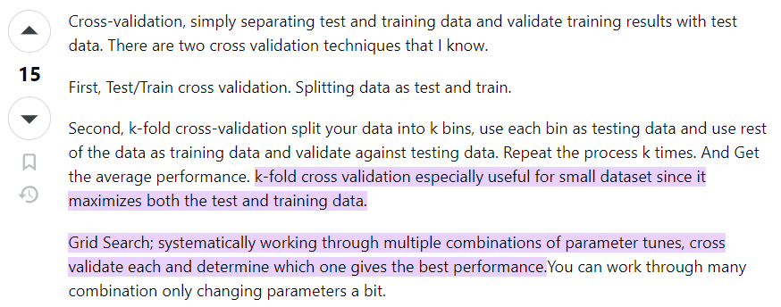

 |  |  |  |  |  | ⇰REFERENCE (Website)-->Scikit Learn Regarding Conceptual & Practical Implementation Regarding Cross Validation (Evaluating Estimator Performance)

⇰REFERENCE (Website)-->1.5(vi) (Google Colab) Cross Validation (Hold Out Cross Validation Set) Regarding Conceptual Understanding of Hold Out CV Methods for Cross Validation | 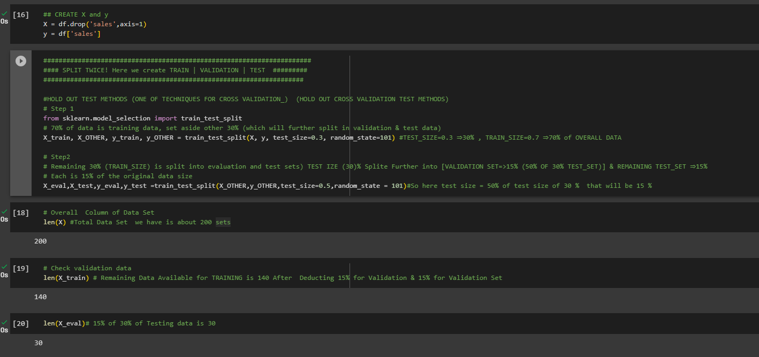 |  | 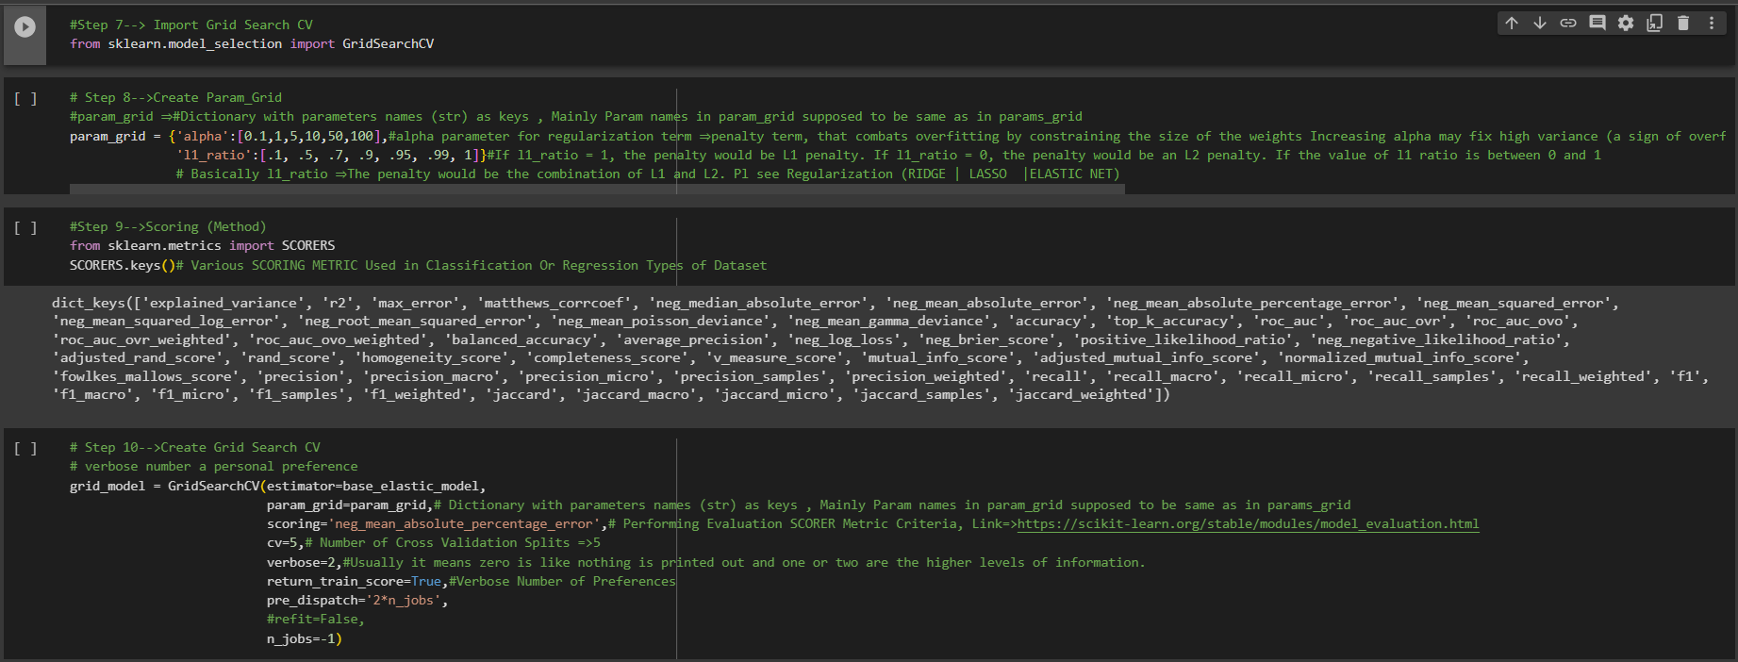 |  |  |  |  |  | ⇰REFERENCE (Website)-->1.5(iii) (Google Colab) Cross Validation⇒Grid Search CV Regarding Hyper Param ,Methods & Attributes for Grid Search CV

 |  | ⇰SIMPLE TECHNIQUES FOR CROSS VALIDATION
 |  | ❶K fold Cross Validation (CV) & LOOCV (Leave One Out Cross Validation) ( ✔ ) |  |  |  | ⇰REFERENCE (Website)-->Turing Regarding Conceptual Understanding of Various Technique of CV |  |  | ⇰REFERENCE (Website)-->Analytics Vidhya Regarding Conceptual Understanding of Cross Validation & Various Types of Cross Validation (CV)
 |  | ❷Hold Out Methods ( ✔ )
 |  | ❸Stratified K Fold Cross Validation (CV) ( ✔ )
 |  | ❹Monto Carlo (Shuffle Split) ( ✔ )
 |  | ❺Leave-p-out cross-validation ( ✔ )
 |  | ❻Time series (rolling cross-validation) ( ✔ )
 |  | ⇰MAJOR TECHNIQUES FOR CROSS VALIDATION BASED ON (HYPER PARAMETER OPTIMIZATION)

 |  | ❶CROSS VALIDATION BASEDON GRID SEARCH CV
 |  | ❷CROSS VALIDATION BASED ON RANDOMIZED SEARCH CV
 |  | ❸CROSS VALIDATION BASED ON BAYES SEARCH CV |  |  |  |  |  |  | `

 |  | ▣WARNING-->
 |  | 1. On one hand, KFold & Stratified K fold & Other Techniques of Cross Validation in which lets you to split your data to K folds. 2.On the Other Hand cross_val_score & cross_validate is a function which evaluates a data and returns the score.

 |  | ▣OVERALL MEANING & TERMINOLOGY OF CROSS VALIDATION (SCIKIT LEARN)

 |  | ⇰According to Scikitlearn Cross-Validation is a statistical method of evaluating & comparing learning algorithms by dividing data into two segments: one used to learn or train a model & the other used to validate the model. In typical cross-validation, the training & validation sets must cross-over in successive rounds such that each data point has a chance of being validated against. The basic form of cross-validation is k-fold cross-validation. Other forms of cross-validation are special cases of k-fold cross-validation or involve repeated rounds of k-fold cross-validation. |  |  |  | ⇰REFERENCE (Website)-->upGrad Regarding Conceptual & Practical Understanding of Cross Validation & Various CV Techniques Implementation in (ML)

 |  |  |  |  |  |  |  |  | ⇰REFERENCE (You Tube)-->Code Basics Regarding Conceptual & Practical Implementation (Coding) Regarding 5 Fold Cross Validation

 |  | 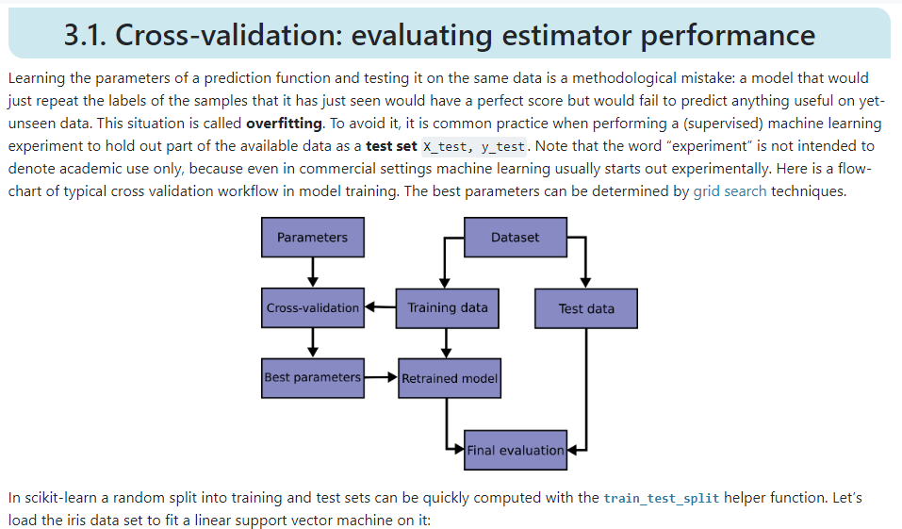 |  |  |  | ⇰REFERENCE (Website)-->Scikit Learn Regarding Thereotical & Practical Implementation Regarding Cross Validation (Evaluating Estimator Performance)

 |  |  |  |  |  | ⇰REFERENCE (Website)-->upGrad Regarding Conceptual & Practical Understanding of Cross Validation & Various CV Techniques Implementation in (ML)

 |  |  |  |  |  | ⇰REFERENCE (You Tube)-->Code Basics Regarding Conceptual & Practical Implementation (Coding) Regarding 5 Fold Cross Validation

 |  | ▣WHY CROSS VALIDATION OVER TRAINING | TEST | SPLIT (UDEMY) ?

 |  | ⇰According to Udemy Cross validation is a more advanced set of methods for splitting data into training sets and testing sets As compared to TRAINING |TEST |SPLIT . ❶ We already understand the intuition behind performing a basic train test split.That is, we want to fairly evaluate our model's performance on unseen data.Unfortunately, this means we're not able to tune hyper parameters to the entire data set.We have to sacrifice a portion of that data set (TEST SET) in order to hold it back for testing purposes.So is there a way we can achieve both of the following (Training) on all the data & evaluate (Testing) on all the data? The Answer is YES |  |  |  | ⇰REFERENCE (Website)-->Udemy Regarding Thereotical & Conceptual Implementation of Cross Validation & 5 Fold Cross Validation |  |  | ⇰REFERENCE (Excel)-->2.5 (i) Excel Sheet Regarding Thereotical & Practical Implementation Regarding TRAINING|TEST|SPLIT

 |  |  |  |  |  | ⇰REFERENCE (Website)-->Medium Regarding Thereotical & Practical Implementation Regarding of K fold Cross Validation VS Monto Carlo (Repeated Random Sampling) |  |  | ⇰REFERENCE (Website)-->Scikit Learn Regarding Thereotical & Practical Implementation Regarding Cross Validation (Evaluating Estimator Performance)

 |  | ▣(PROCESS FOR CROSS VALIDATION) HOW DOES CROSS VALIDATION WORK (K FOLD CROSS VALIDATION)

 |  | 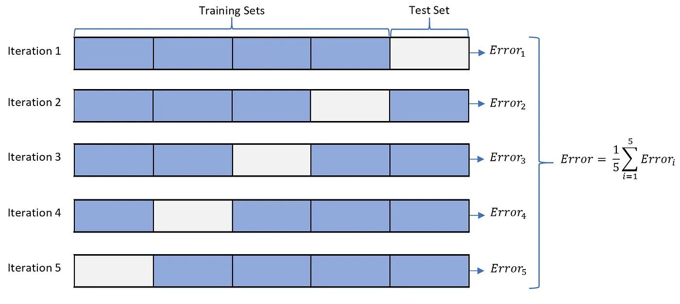

 |  |  |  |  |  | ⇰REFERENCE (Website)-->Scikit Learn Regarding Thereotical & Practical Implementation Regarding Cross Validation (Evaluating Estimator Performance) |  |  | ⇰REFERENCE (You Tube)-->Code Basics Regarding Conceptual & Practical Implementation (Coding) Regarding 5 Fold Cross Validation

 |  |  |  |  |  | ⇰REFERENCE (Website)-->Medium Regarding Thereotical & Practical Implementation Regarding of K fold Cross Validation vs Monto Carlo

 |  |  |  |  |  | ⇰REFERENCE (Website)-->Udemy Regarding Thereotical & Conceptual Implementation of Cross Validation & 5 Fold Cross Validation |  |  | ⇰REFERENCE (Website)-->Stackoverflow Regarding Overall difference between (cross_val_score) & Kfold as well as Stratified K fold Cross Validation

 |  |  |  |  |  | ⇰REFERENCE (Website)-->Scikit Learn Regarding Thereotical & Practical Implementation Regarding Cross Validation (Evaluating Estimator Performance)
 |  |  |  |  |  |  |  |  | ⇰REFERENCE (You Tube)-->Krishna Naik Regarding Conceptual Understanding of Cross Validation & Types of Cross Validation

 |  |  |  |  |  | ⇰REFERENCE (Website)-->Medium Regarding Thereotical & Practical Implementation Regarding of K fold Cross Validation VS Monto Carlo
 |  |  |  |  |  |  |  |  | ⇰REFERENCE (You Tube)-->Code Basics Regarding Conceptual & Practical Implementation (Coding) Regarding 5 Fold Cross Validation

 |  | 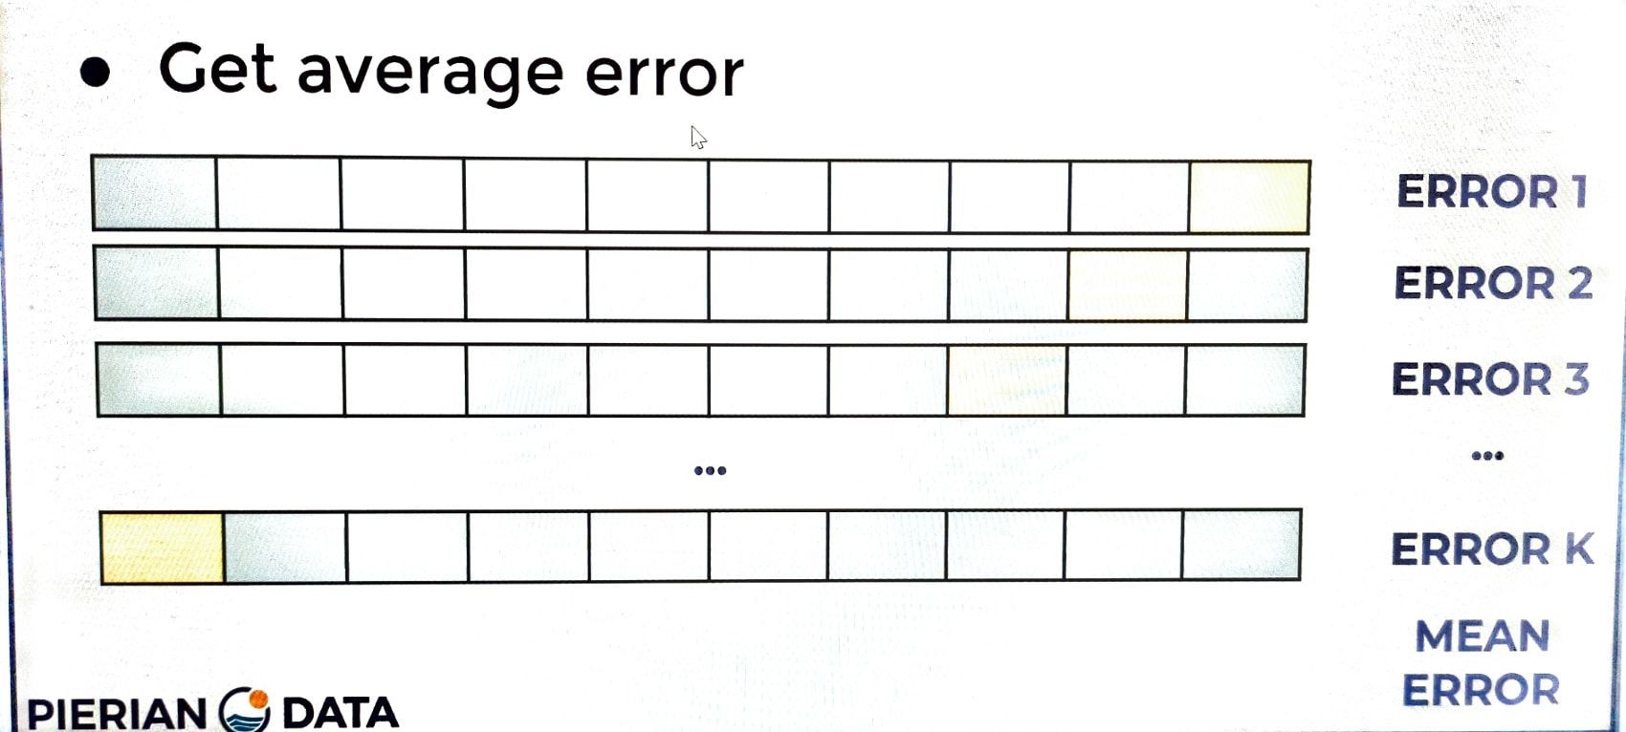 |  |  |  | ⇰REFERENCE (Website)-->Udemy Regarding Thereotical & Conceptual Implementation of Cross Validation & 5 Fold Cross Validation

 |  | ❶So now I have my data, same data we've been working with before and I'm just representing it as the full data source.With the splits here, blue is train & white is test.So now let's start with just all the original data.So I haven't actually split it yet.So how does cross-validation actually work? ❷By getting a chance to train on all the data & evaluate all the data.Well, what we do is we split the data into K equal parts.K is a number up to you to the side.Then you'll have one over K (1/K) left as a test set.Which means if you decided K is equal to ten, that means you're leaving 10% of the data or one over 10 as the test set. ❸Then what you're going to do is you're going to repeat this for another one over K (1/K) split & then get a second error & then you're going to repeat this for all possible splits, essentially repeating this K number of times & so after you've repeated this K number of times & you've been able to both evaluate & test on all portions of your data just by running this K number of times, you'll average out the error. ❹So here we get an error for the first split, second error, third error get error ⇒ K & then we just average all those and get our mean error & the average error is then your expected performance & what's really nice about this is it actually gives you a much clearer idea of the model's true performance. |  |  |  | ⇰REFERENCE (Website)-->Scikit Learn Regarding K fold Cross Validation (Conceptual) with all Hyper param for K fold CV Model |  |  | ⇰REFERENCE (Website)-->Stackoverflow Regarding Overall difference between (cross_val_score) & Kfold as well as Stratified K fold Cross Validation

 |  |  |  |  |  | ⇰REFERENCE (Website)-->Stackoverflow Regarding Overall difference between (cross_val_score) & Kfold as well as Stratified K fold Cross Validation |  |  | ⇰REFERENCE (You Tube)-->Krishna Naik Regarding Conceptual Understanding of Cross Validation & Types of Cross Validation

 |  |  |  | 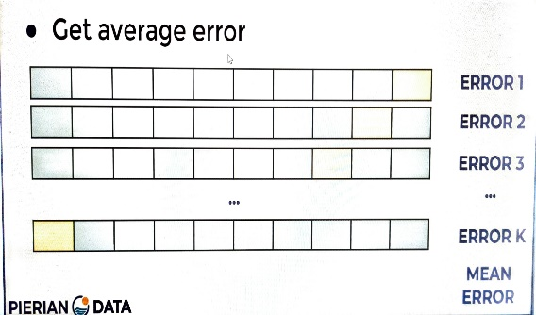 |  | ⇰REFERENCE (Website)-->Udemy Regarding Thereotical & Conceptual Implementation of Cross Validation & 5 Fold Cross Validation

 |  |  |  | 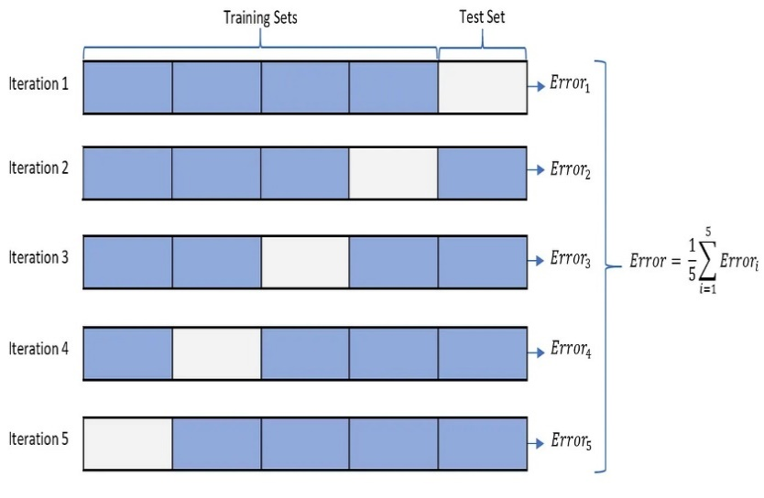 |  |  |  | ⇰REFERENCE (Website)-->Medium Regarding Thereotical & Practical Implementation Regarding of K fold Cross Validation VS Monto Carlo |  |  | ⇰REFERENCE (Website)-->Stackoverflow Regarding Overall difference between (cross_val_score) & Kfold as well as Stratified K fold Cross Validation | ⇰REFERENCE (Website)-->Scikit Learn Regarding K fold Cross Validation (Conceptual) with all Hyper param for K fold CV Model

 |  |  |  |  |  |  |  | ⇰REFERENCE (You Tube)-->Krishna Naik Regarding Conceptual Understanding of Cross Validation & Types of Cross Validation |  |  | ⇰REFERENCE (Website)-->Udemy Regarding Thereotical & Conceptual Implementation of Cross Validation & 5 Fold Cross Validation

 |  | ▣LIMITATION OF USING (K- FOLD CROSS VALIDATION ) OR CROSS VALIDATION
 |  |  |  |  |  | ⇰REFERENCE (Website)-->Stackoverflow Regarding Overall difference between (cross_val_score) & Kfold as well as Stratified K fold Cross Validation
 |  | ⇰Well, the main limitation is issue is you have to repeat the computations k number of times, which can be computationally expensive for very large data sets.This is known as k fold cross-validation. A very common choice for K is ten so that each test set is 10% of your total data.So we would recommend by default, if you're going to do k fold cross validation, you choose something like K is equal to ten k=10.

 |  | ▣DIFFERENCE IN BETWEEN K FOLD & OTHER TECHNIQUES FOR CROSS VALIDATION AGAINST SCORING METRICS (CROSS_VAL_SCORE , CV WITH CROSS VALIDATE

 |  | 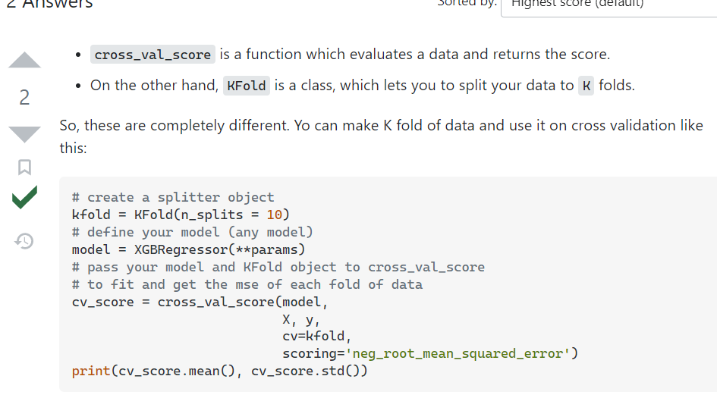 |  |  |  | ⇰REFERENCE (Website)-->Stackoverflow Regarding Overall difference between (cross_val_score) & Kfold as well as Stratified K fold Cross Validation

